PortalIssues_23Oct2014
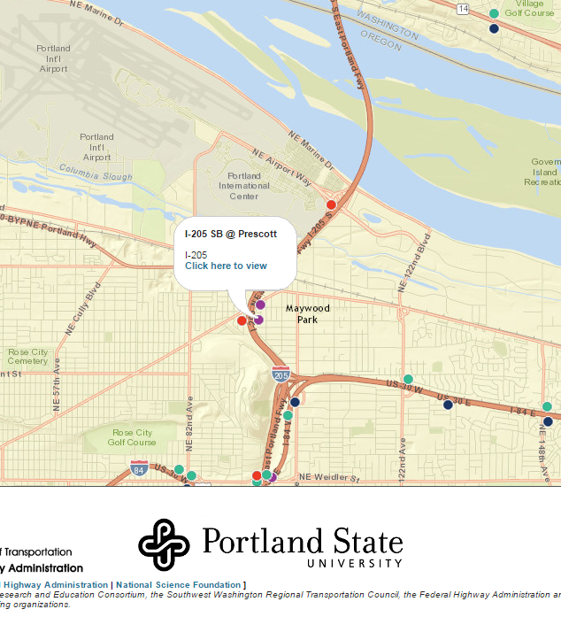
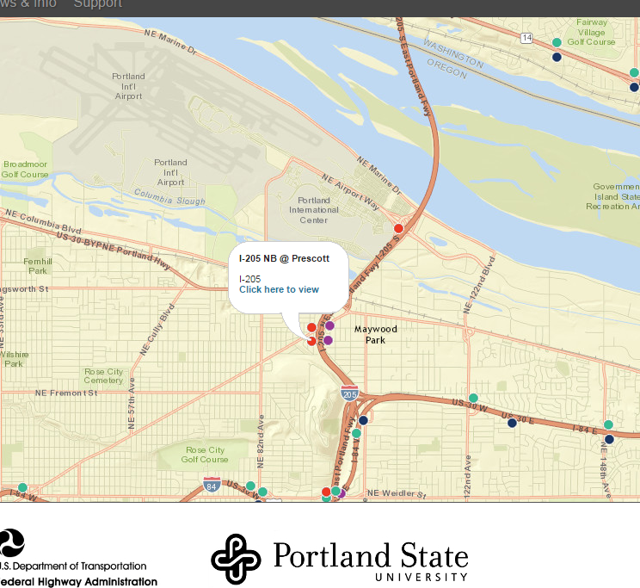

NB and SB are not correctly labeled….is data switched or description label wrong?

